1. Title Page
Instacart Grocery Basket Analysis

Project Name: Instacart Grocery Basket Analysis - Customer Insights, Demographics and Sales
Date: June 20, 2021
Analyst Name: Nicole Bahn

Contents:
Data Citation
Population Flow
Consistency checks
Wrangling steps
Column derivations
Visualizations
Recommendations

2. Data Citation
 | Title page
Data Citation

“The Instacart Online Grocery Shopping Dataset 2017”, Accessed from https://www.instacart.com/datasets/grocery-shopping-2017 on June 02, 2021

Additional Information:
Product prices and customer data set have been artificially enriched for learning purposes.

3. Population Flow
Title page

Population flow

Exclusion flag
Condition: max_order < 5
Obervations to be removed: 29,630
Final total count of order_products_all: 32,404,859

Orders_products_combined
Orders_products_merged
Orders_products_all

Total:32,404,859
Total: 32,434,489
Total: 32,404,859

1.) The grey boxes in the first row of the population flow represent the original data sets as they were when you downloaded them. In the Total fields you need to add the count of the rows when you imported the data set into Jupyter.
2.) The second row of boxes (coloured) represents the data sets after you manipulated them, e.g., removed missing values and duplicates. In the Total fields you need to add the count of the rows after conducting these operations. This offers a visual oveview of how the data flows throughout the data consistency checks.
3.) The third row, where also the arrows are coloured, represents the merges you performed between the datasets. In the Total fields you need to add the count of the rows in the merged datasets, so that you end up with the final dataset (in the red box). Keep in mind the final dataset should be without exclusions (based on the exclusion flag).

4. Consistency checks
 |  |  |  | Title page
Consistency checks

Dataset | Missing values | Missing values treatment | Duplicates
orders | days_since_prior_order | New variabled created to flag missing value rows | None
products | product_name | Values were removed from dataframe | 5 duplicate rows removed
orders_products_prior | None | N/A | None
customers | None (after removal of first & last names due to PII) | N/A | None

5. Wrangling steps
 |  |  |  | Title page
Wrangling steps

Columns dropped | Columns renamed | Columns' type changed | Comment/Reason
df_ords: ['eval_set'] |  |  | This column was not needed
 |  | df_ords: ['days_since_prior_order'] | Changed from int64 to str
 | df_ords: ['order_dow'] |  | Changed to order_day_of_the_week for a more accurate name
 |  | df_ords:[' order_id'] | Changed to string data type, descriptive analysis not needed on column
 |  | df_ords: ['user_id'] | Changed to string data type, descriptive analysis not needed on column
Customers df: First Name |  |  | Removed to protect customers information (PII)
Customers df: Surnam |  |  | Removed to protect customers information (PII)
 | df_customers: 'n_dependants' |  | Changed to 'number_dependents' for more accurate name
 | df_customers: 'fam_status' |  | Changed to 'marital_status' for more accurate naming convention
df_pet: Pet Order Flag |  |  | Column no longer needed after 'Pet Owner' column created
df_baby: Baby Order Flag |  |  | Column no longer needed after 'Baby Household' column created

6. Column derivations
 |  |  |  | Title page

Column derivations and aggregations

In this tab you should add tables below that the frequences of flags/label variables that you produced after deriving them. NB: don't do this for continuous variables, only for flags.
Dataset | New column | Column/s it was derived from | Conditions
Orders_Products_Merged | Price_Range_loc | prices | Price>15 results in High-range, Price <=15 but >5 results in Mid-range, Price =<5 results in Low-range
Orders_Products_Merged | busiest_day | orders_day_of_week | Day 0 is busiest, Day 4 is Least busiest, all others are Regularly busy
Orders_Products_Merged | busiest_days (plural now) | orders_day_of_week | Day 0 & 1 are busiest, Day 3 & 4 are Least busiest, all others are Regularly busy
Orders_Products_Merged | busiest_period_of_day | order_hour_of_day | Hours 0-6 & 23 results in Fewest orders, Hours 9-16 result in Most Orders, Hours 7, 8, 17-22 result in Average Orders
Orders_Products_Merged | loyalty_flag | max_order | Max order >40 is loyal customer, Max order >10 & <=40 is Regular customer, Max order <=10 is New Customer
Orders_Products_Merged | spending_flag | prices/user_id (mean) ['spending'] | Low Spender is <10, High Spender >=10
Orders_Products_Merged | frequent_customer_flag | order_frequency | Frequency >20 is Non-frequent, Frequency >10 & <=20 is Regular, Frequency <=10 is Frequent
Orders_Products_All | Region | State | Created four regions based on list of States
Orders_Products_All | Activity_Flag | order_number | Order number <5 is Low Activity, Order number >=5 is High Activity
Orders_Products_All | Parent_Status | age & number_dependents | Four parent categories were created based on two variables (age & number of dependents)
Orders_Products_All | Income Level | income | Created three income categories based on income
Orders_Products_All | Pet Owner | Pet Order Flag | Aggregated the orders in pet department-created a flag then used the flag to create pet owner column
Orders_Products_All | Baby Household | Baby Order Flag | Aggregated the orders in baby department-created a flag then used flag to create baby household column

7. Visualizations
 |  |  |  |  |  | Title page

Visualizations

In this tab you should include all the visualtions from Exercises 4.9 and 4.10, alongside the questions from the project brief that they answer. Include any commentary on the relationship between different variables.

Key Questions:

The sales team needs to know what the busiest days of the week and hours of the day are (i.e., the days and times with the most orders) in order to schedule ads at times when there are fewer orders.
Number of orders placed each day
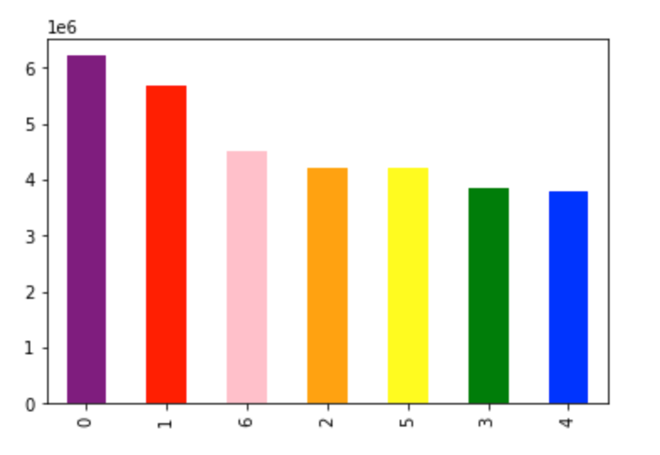
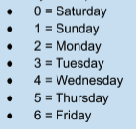

The data shows that the weekends are the busiest times, Tuesdays and Wednesdays seems to be the least busy.

Number of orders placed per hour
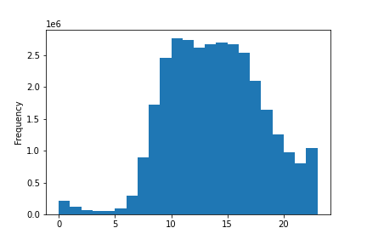

The hours that seem to be the busiest are from 10am to 4 pm. The least busy times are in the early morning hours. Even though there is a steady decline towards the end of the day, it seems to still be busier than the early morning hours.

They also want to know whether there are particular times of the day when people spend the most money, as this might inform the type of products they advertise at these times.

Average price of purchases during the week

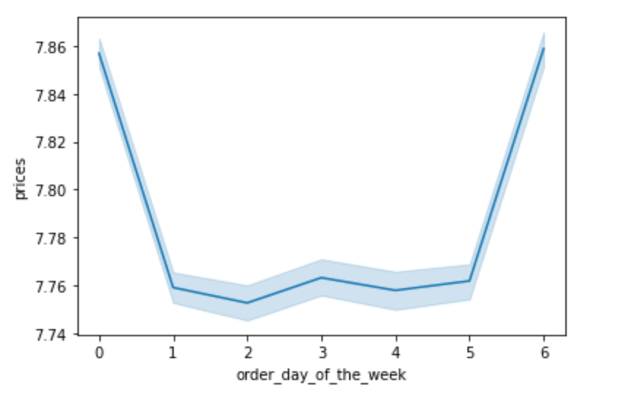

There are more purchases of higher priced items on Friday's and Saturdays.

Average price of purchases by hour
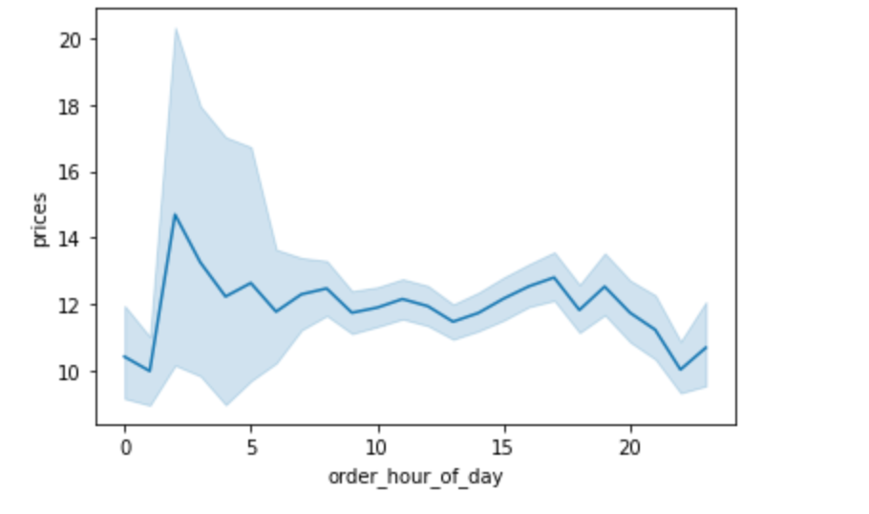

The chart shows that the most expensive items are bought around 2 am in the morning which then looks like it is steady the rest of the day until about 8 pm where the trend falls.

Instacart has a lot of products with different price tags. Marketing and sales want to use simpler price range groupings to help direct their efforts.

Product Price Range Groupings

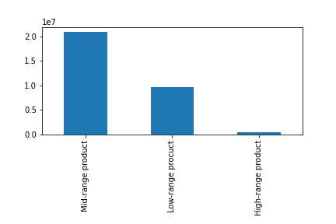

Most of the products are in the mid-range where they cost from $5 to $15.

Are there certain types of products that are more popular than others? The marketing and sales teams want to know which departments have the highest frequency of product orders.

Number of orders placed in each department

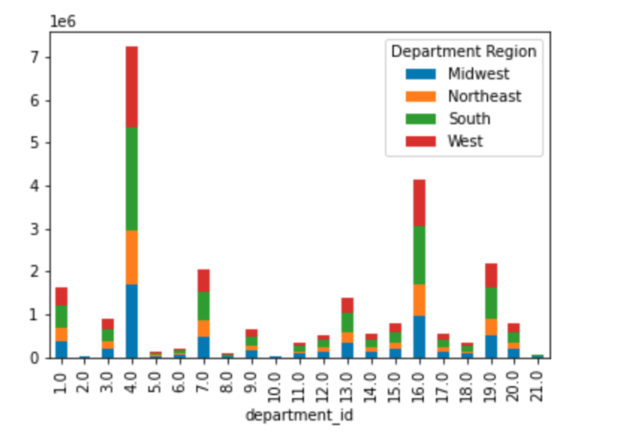

The departments with the most orders are produce, dairy/eggs, snacks and beverages.

The marketing and sales teams are particularly interested in the different types of customers in their system and how their ordering behaviors differ:
Are there differences in ordering habits based on a customer’s loyalty status?
What’s the distribution among users in regards to their brand loyalty (i.e., how often do they return to Instacart)?
Customer Brand Loyalty distribution | Income Levels and Loyalty Status | Marital Status and Loyalty Status | Parent Status and Loyalty Status | Baby Household Status and Loyalty Status | Pet Owners Status and Loyalty Status

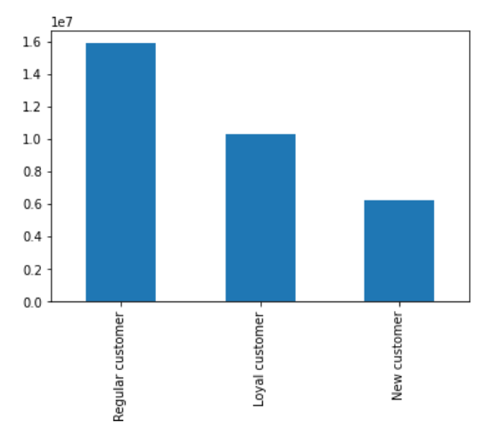
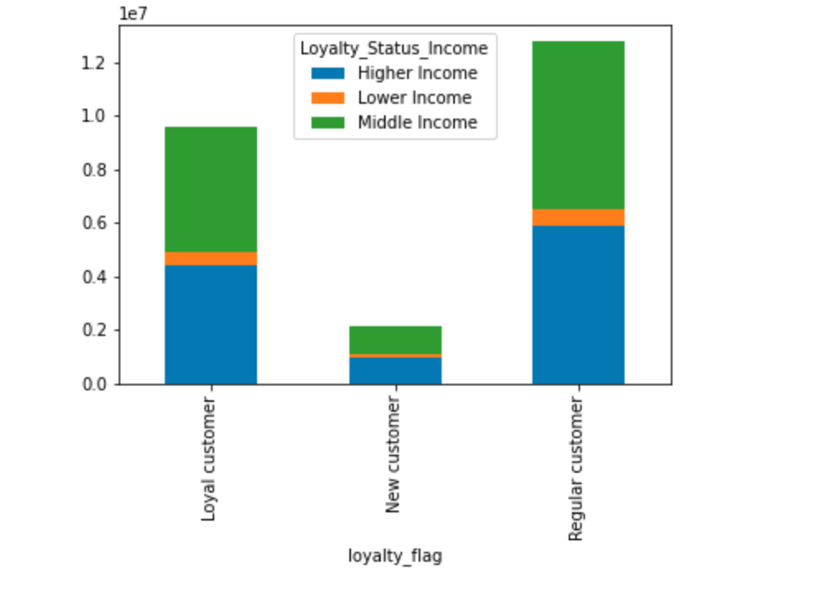
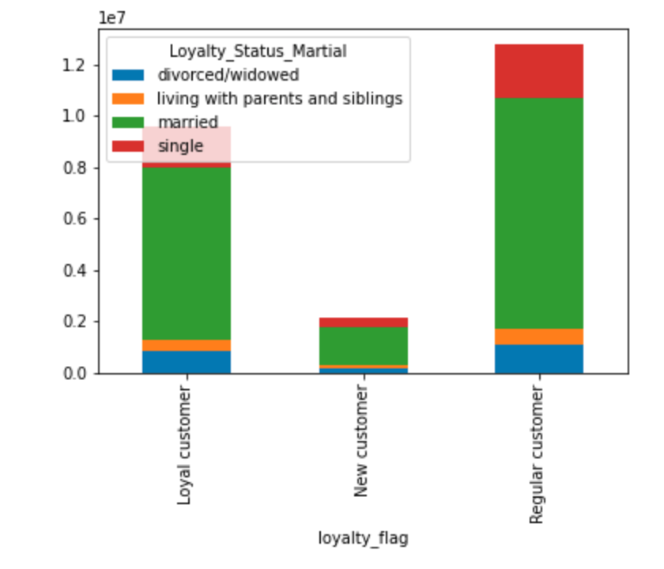
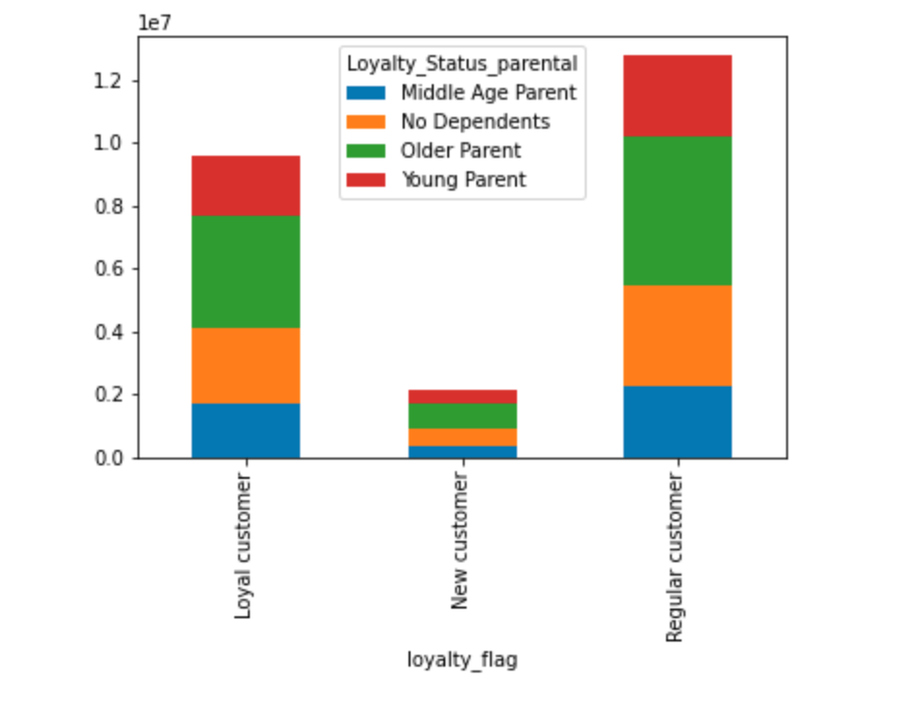

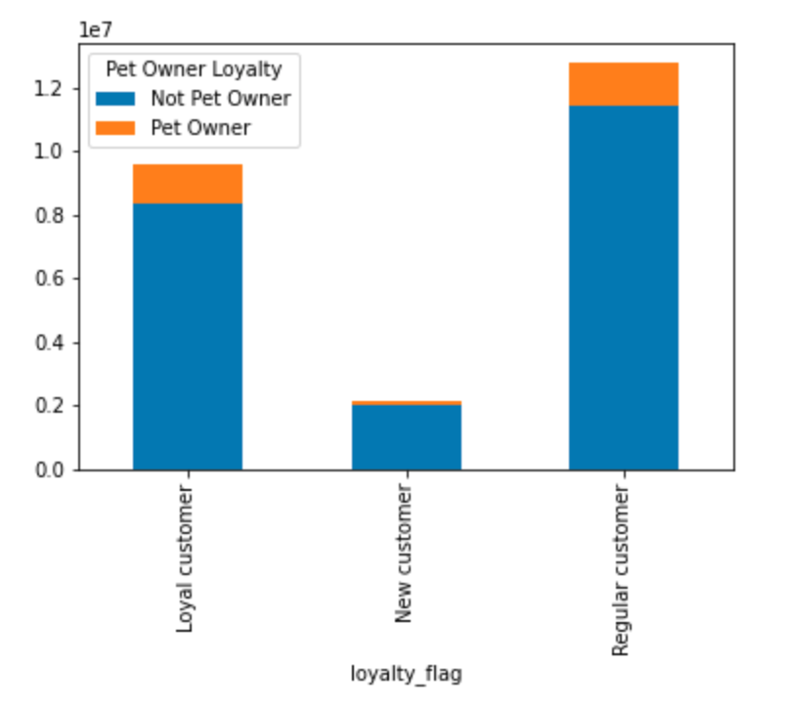
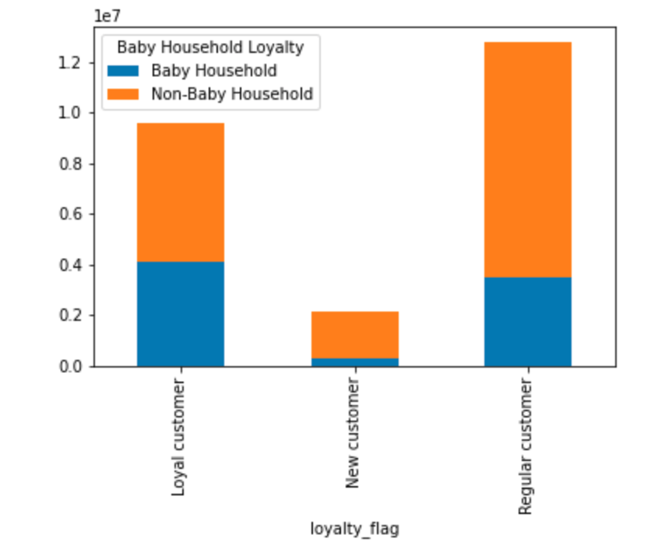

Most of the customers are regular customers and about 30-40% of the customers are loyal customers. | High and Middle Income groups are main customer bases | Married as a martial status is dominant in a customer base as well | Older parents and No Dependents make up the most of the customer base as well (regular and loyal customers

Are there differences in ordering habits based on a customer’s region?

Ordering habits by region and department | Loyalty Status by Region | Pet Owner by Region | Baby Household by Region | Income Level by Region | Parent Status by Region

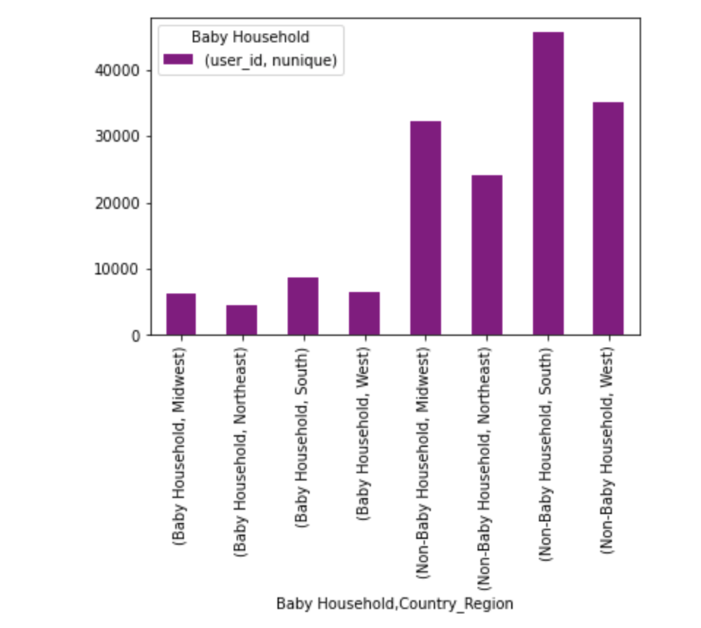
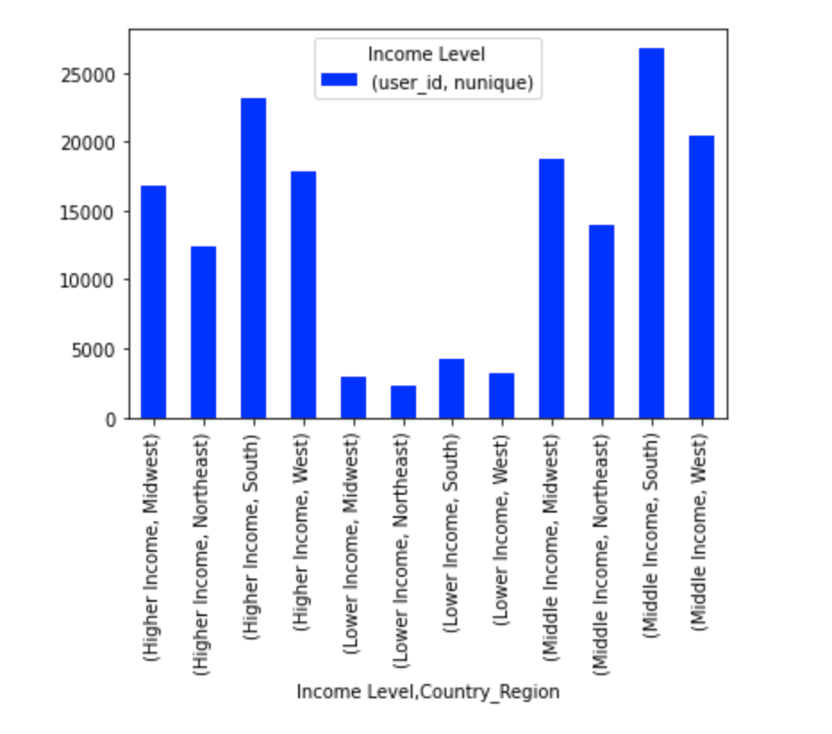
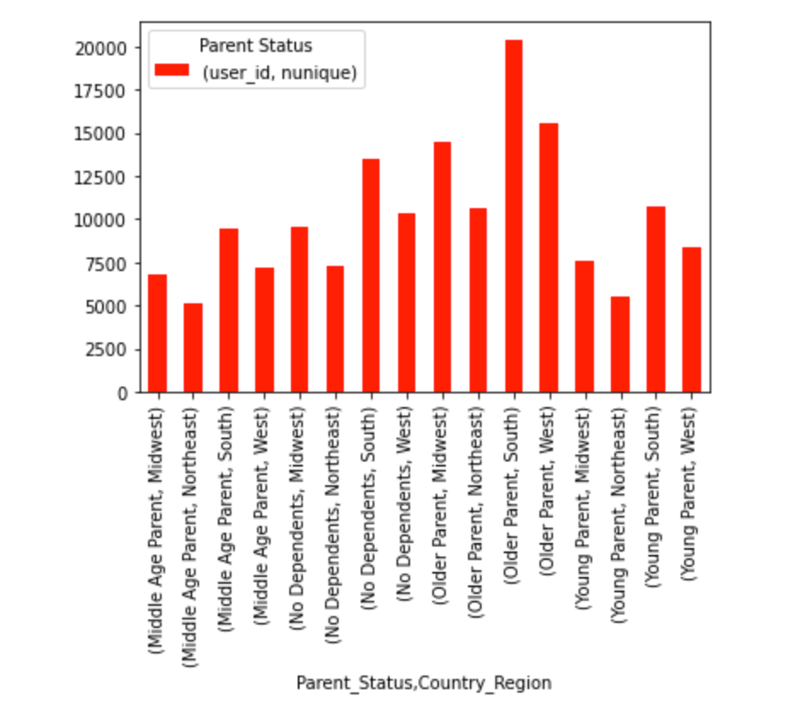
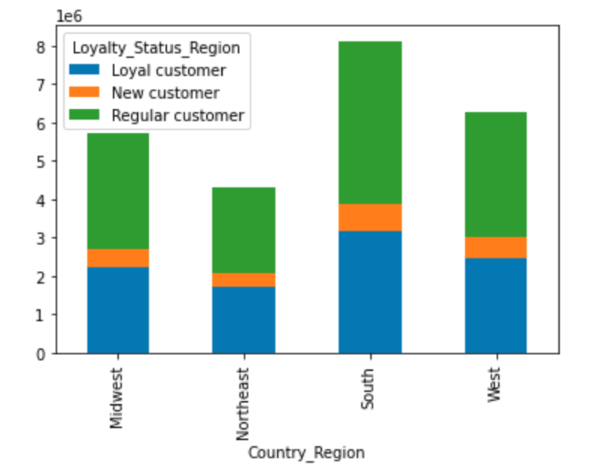
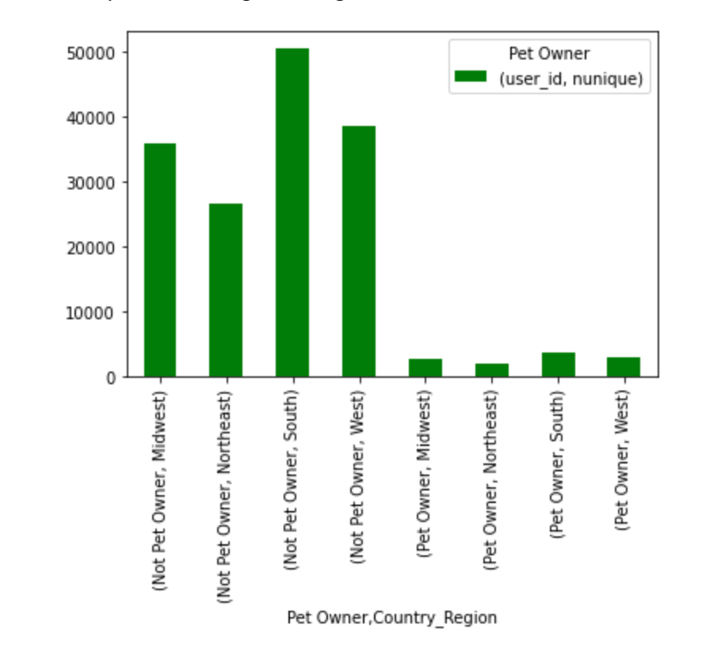

It seems like the department ordering habits are about the same but the amounts per region differ with how much they spend. Northeast spends the least and the Southern Region spends the most. | The South is the Region with the most customers all around and the Northeast has the least | The Region with the most for pet owners is in the South but also the South has the most non pet owners. Northeast has the least amount of pet owners. | The Region with the most for baby household status is in the South but also the South has the most non baby households. Northeast has the least amount of baby households. | The Southern region has the most for all income ranges. The Northeast has the least for all income ranges. | Older Parents in the Southern Region has the highest customer base. Middle Age parents in the Northeast make up the least amount of customers.

Is there a connection between age and family status in terms of ordering habits?
What different classifications does the demographic information suggest? Age? Income? Certain types of goods? Family status?

Age and Income per spending power | Income level and spending per department

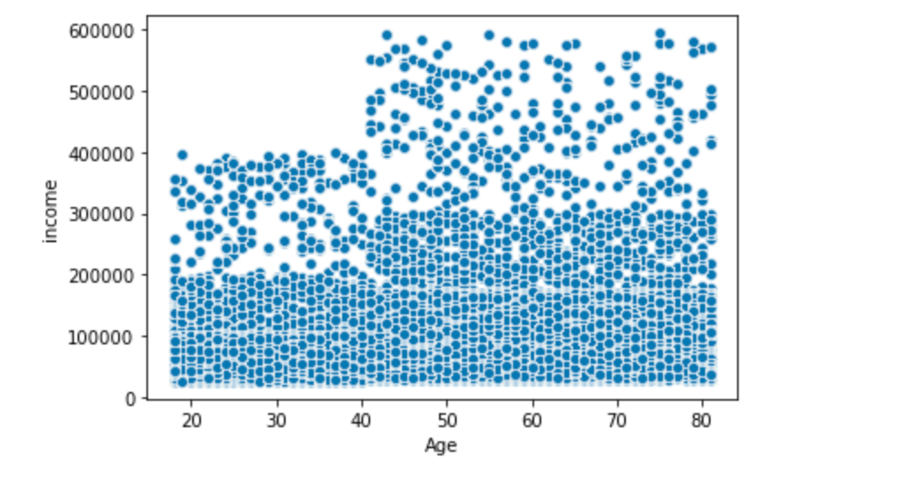
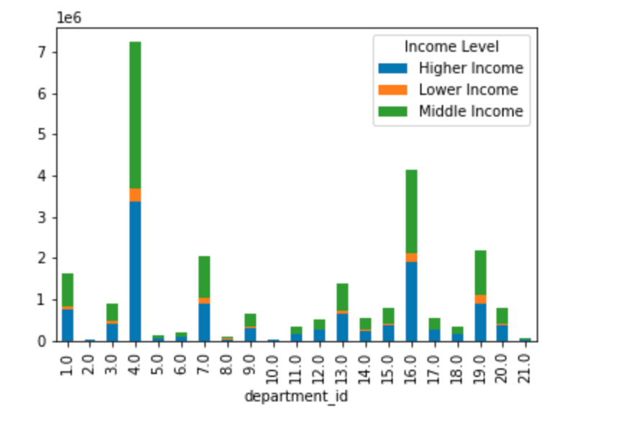

There is a slight positive corelation with being older and having a higher income to spend more. | Higher and middle income spend more in general than the lower income.

Family status ordering per department | Age of parents & number of dependents

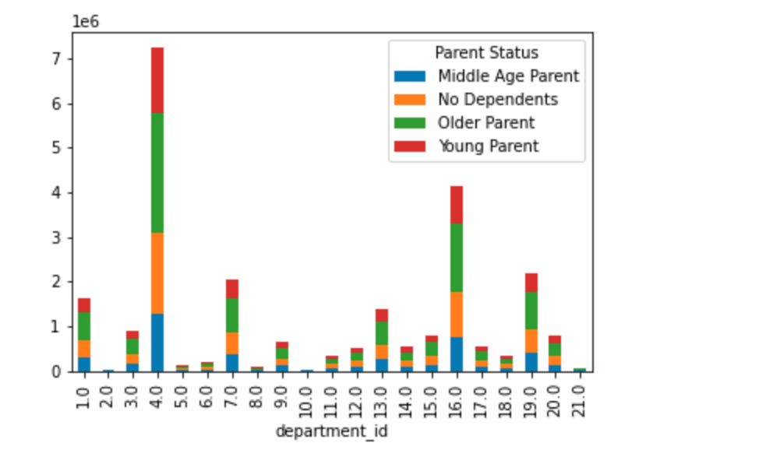
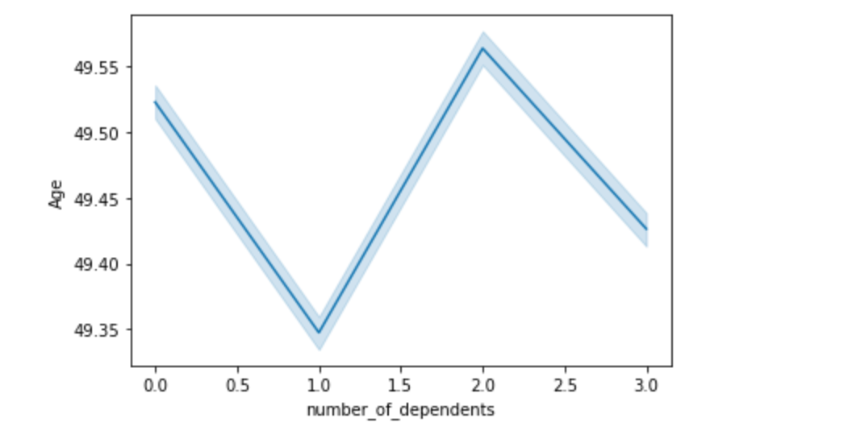

Older parents also seem to do more spending than any other family status and young parents do the least spending | The age of parents seem to be similar no matter the average of dependents.

What differences can you find in ordering habits of different customer profiles? Consider the price of orders, the frequency of orders, the products customers are ordering, and anything else you can think of.

Across all departments - Produce, dairy/eggs, snacks & beverages are the departments most purchased from

Parent Status per Department | Income Level per Department | Baby Household Status per Department | Region per Department | Marital Status per Department | Pet Owner per Department

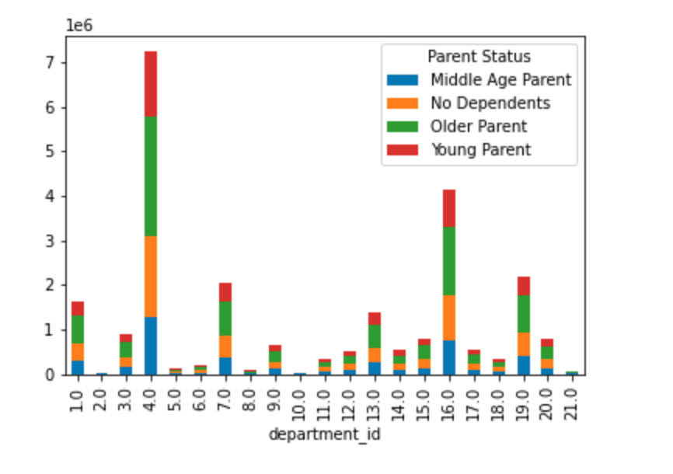
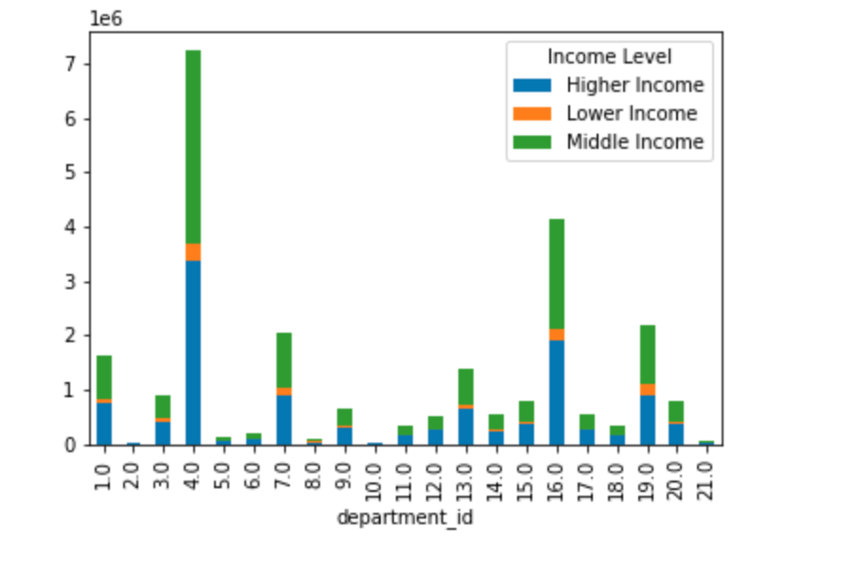
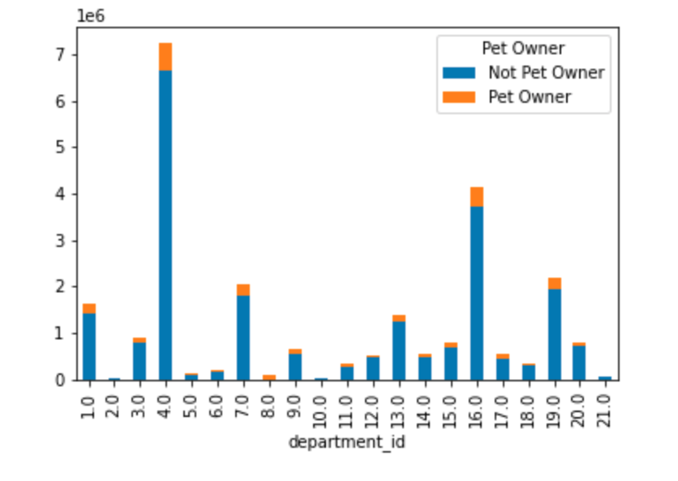
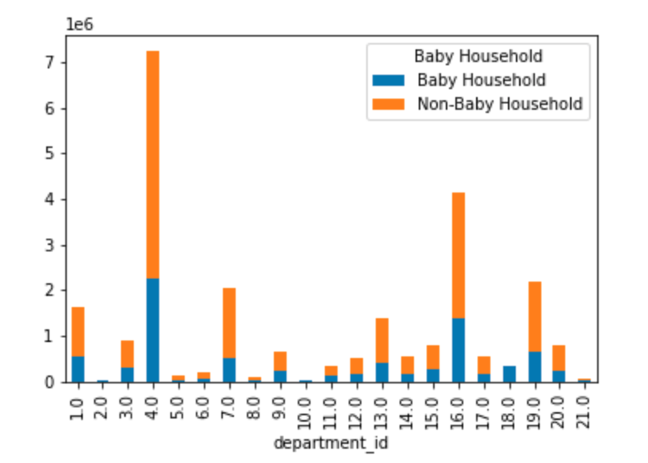
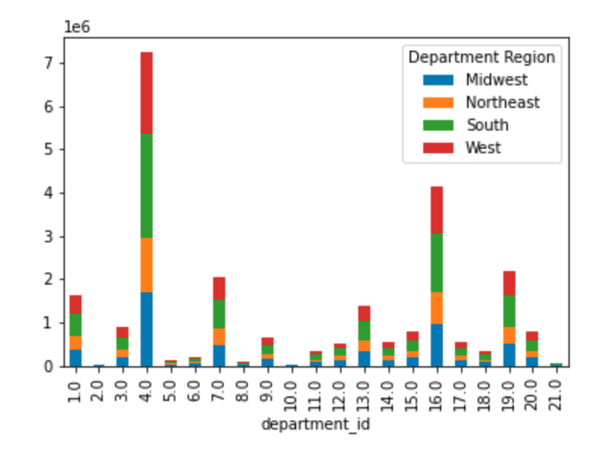
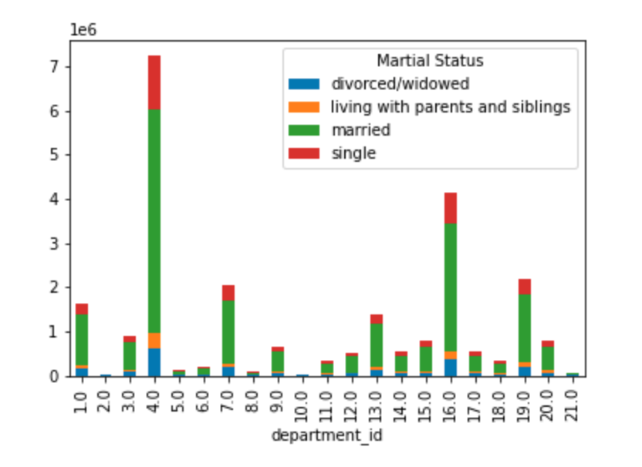

Parent Status Distribution & Total Spend | Income Level Distribution | Baby Household Distribution | Region Distribution | Marital Status Distribution | Pet Owner Distribution

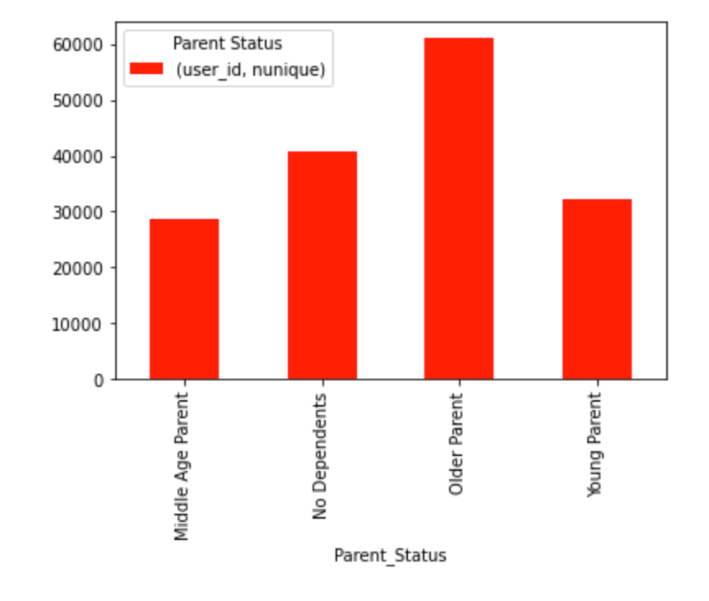
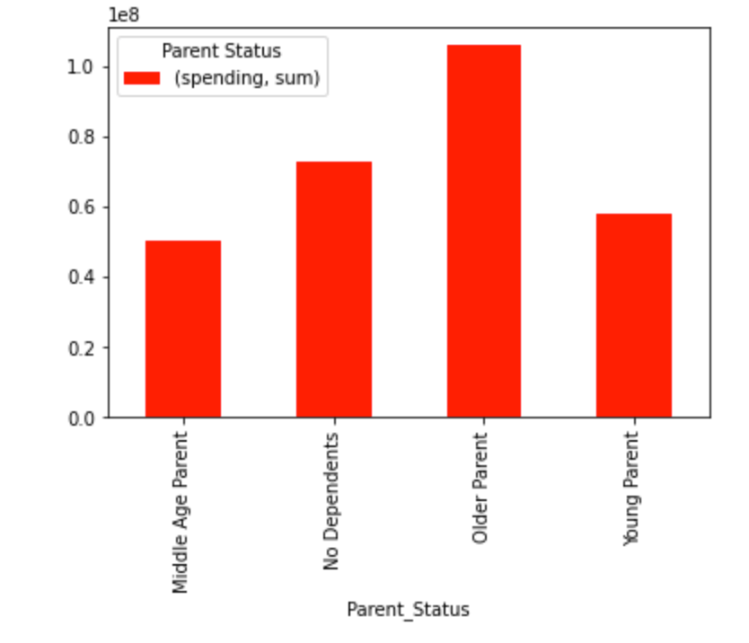

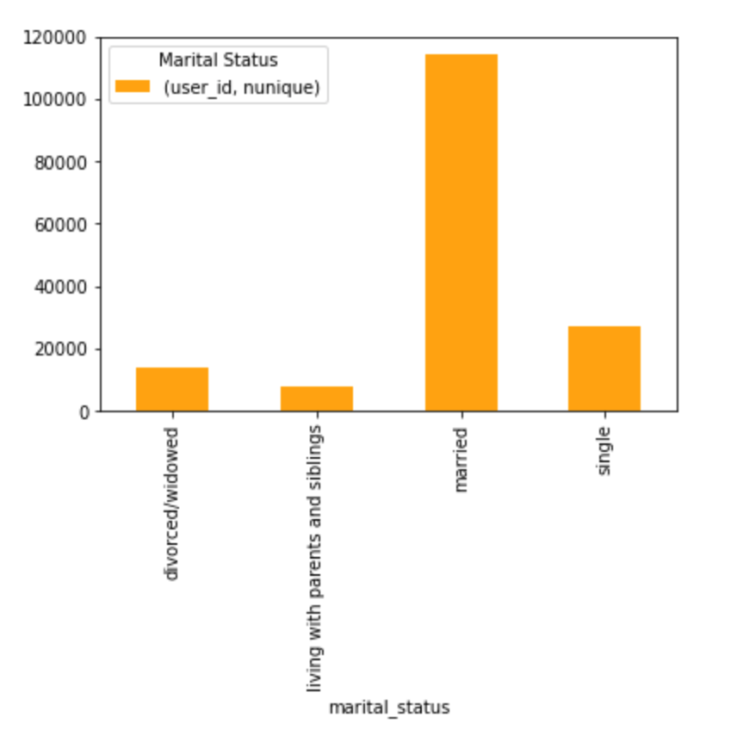
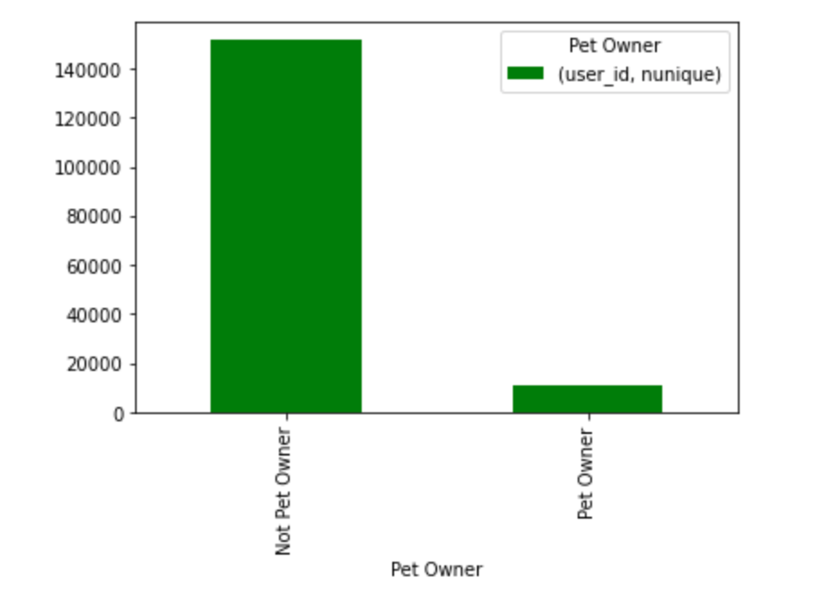
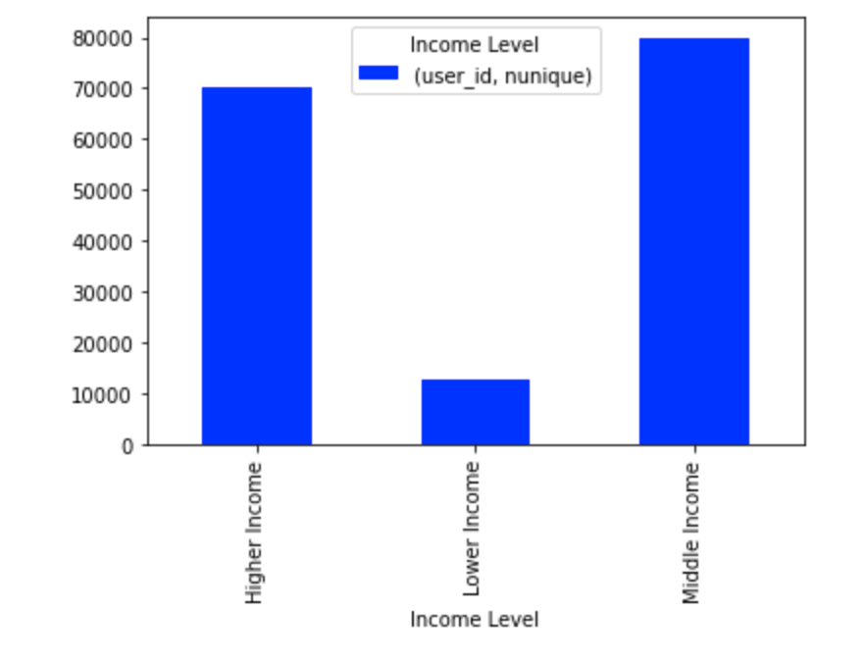
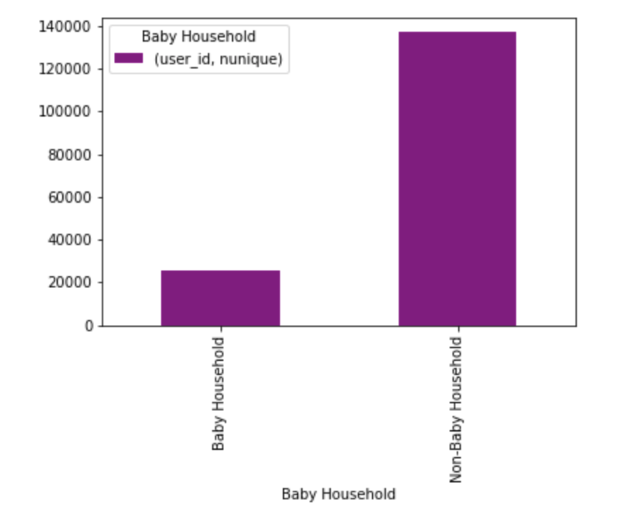
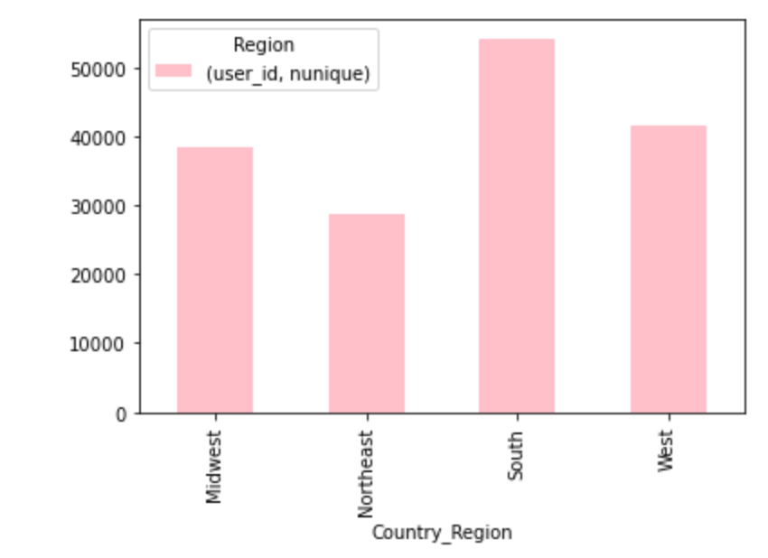

Older Parents make up the most customers and Middle Age Parents make up the fewest customers | Middle income level has the most customers and higher income is close behind. Lower income customers are a small amount of customers. | Non-baby households are a bigger demographic than baby households | The Southern Region is the largest customer base, second is the West, third is the Midwest, and the smallest customer base is the Northeast | Married purchase more than any other marital status | There are less Pet Owners than there are Non-Pet Owners

8. Recommendations
 |  |  |  |  |  | Title page

Recommendations

In this tab you should include any recommendations you would made to Instcart in terms of their marketing strategy based on the questions posed in the brief. Every key question has been covered in the Tasks of the Exercises - here you need to add an item - a visualisation or table/crosstable that is showing the answer in the data, acompanied by a comment from you. Please, list the questions below and add the answer underneath.

Question | Answer |  |  | Visualizations
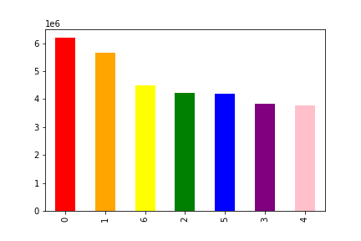
Number of Orders Placed Each Day

Number of Orders Placed By Hour
The sales team needs to know what days of the week and hours of the day are the busiest (i.e., the days and times with the most orders) in order to schedule ads at times when there are fewer orders. | Since weekends have the most orders placed with the highest volume,the recommendation would be to focus on the days that do the least and market specials or revolve marketing campaigns on the weekends when there is the most customers visiting the site to promote the specials on the lower volume days (Tuesday & Wednesday)

Average Price of Products Purchased By Hour
The sales team also wants to know whether there are particular times of the day when people spend the most money, as this might inform the type of products they advertise at these times. | The time that is most spent is at 2 am. Unsure as to what local time this is referring to. Recommendations would be to still focus on the time periods that are the most steady to push for an increase in customer purchses. Another recommendation would be also to look into what is being purchsed at 2 am and see why that is happening, or if it is an error in the data.

Instacart has a lot of products with different price tags. Marketing and sales want to use simpler price range groupings to help direct their efforts. | Products have been sorted into three price ranges: Price >15 results in High-range price, Price <=15 but >5 results in Mid-range price & Price =<5 results in Low-range price.
Number of Products by Price Category

Are there certain types of products that are more popular than others? The marketing and sales teams want to know which departments have the highest frequency of product orders. | Produce is the most popular department followed by dairy/eggs,snacks then beverages. This does not change by demographic either, these popular (& really all departments) do not vary.
Number of Orders Placed by Department

Number of Orders Placed by Loyalty Category
Income Levels by Loyalty Category
Marital Status by Loyalty Category
Parental Status by Loyalty Category
What’s the distribution among users in regards to their brand loyalty (i.e., how often do they return to Instacart)? | About 50% of customers are regulars. Marketing campaigns can be centered around how to convert the Regular and New Customers into Loyal customers. Possibly offer some bonus or points/reward system to convert more to loyal customers. Some target groups also to consider would be Middle and Higher Income, Married, Older Parents, No dependents, non baby households, and those with no pets.

Baby Household Status by Loyalty Category
Pet Owner Status by Loyalty Category

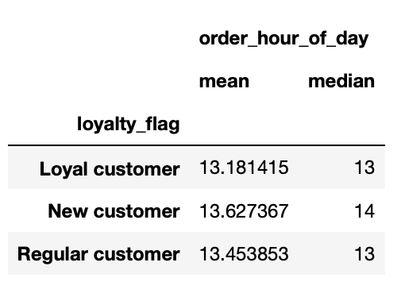
Are there differences in ordering habits based on a customer’s loyalty status? | Loyal customers tend to shop slightly later in the week compared to New & Regular customers. Loyal customers also tend to shop during earlier hours of the day.
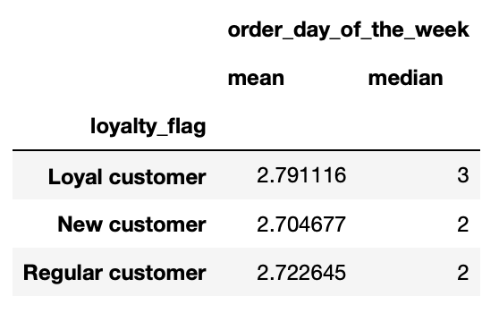

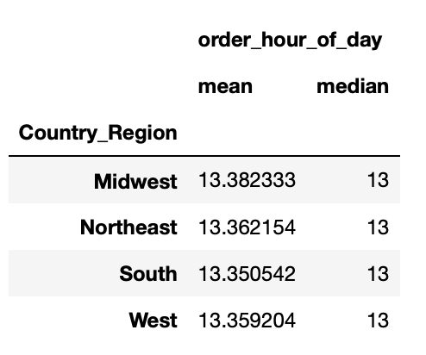
Are there differences in ordering habits based on a customer’s region? | South customers shop the latest in the week while Northeast customers tend to shop earliest. The Midwest shops the latest in the day while the South shops the earliest in the day. However these numbers are pretty close so they are slight variations.
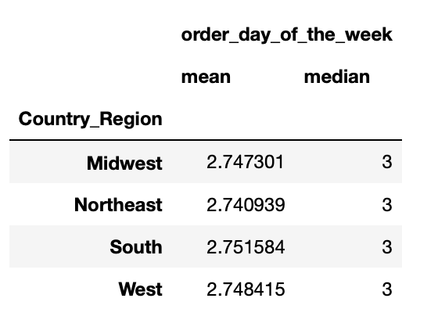

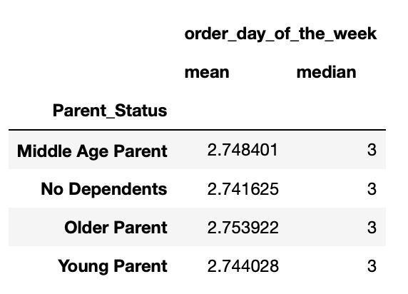
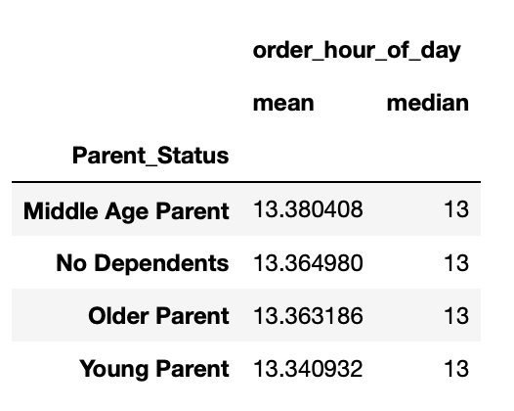
Is there a connection between age and family status in terms of ordering habits? | No dependents tend to shop the earliest in the week with Older Aged parents shopping the latest. Young parents shop the earliest in the day while middle aged parents shop the latest in the day. However these numbers are pretty close so they are slight variations.

What different classifications does the demographic information suggest? Age? Income? Certain types of goods? Family status? | There are many current customer bases that are the highest: Older parents, middle & high income groups, non baby households, the southern region, married status, & non pet owners. There are many opportunities to market to the other customers that are not as prevelant and try to increase those market bases.

Distribution of Baby Household by Department
Distribution of Marital Status by Department
Distribution of Income Level by Department
What differences can you find in ordering habits of different customer profiles? Consider the price of orders, the frequency of orders, the products customers are ordering, and anything else you can think of. |  | For all the departments, it doesn't matter which demographic it is, the most popular departments are Produce, dairy/eggs, snacks & beverages The there is a lot of opportunity to market to the other groups that are not as popular and possibly issolate when they purchase to market to them when they are online. | 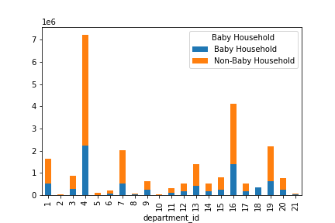

Distribution of Income Level by Department

 |  | Trends regarding Baby households = The lowest amount that is spent is in bulk for baby households which I thought was surprising since diapers, wipes and formula are popular items to purchase in bulk. Also baby households do not drink that much from the alcohol department but they do in the beverage & also like to snack which makes sense. The majority of the customer base is non baby households, so maybe there is an opportunity to market more to the baby household base.
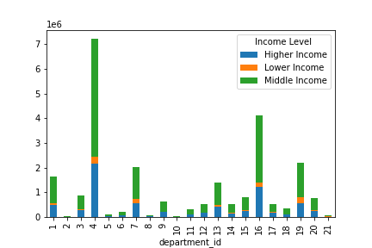

 |  | Trends regarding Income Level = *Middle income groups purchase the least from Departments 5 (alcohol) & 8 (pet) *Lower income consistently make up 4-6% of most departments but this increases greatly in Department 19 (snacks) where they make up 11% (Higher income orders on the otherhand drop to 26% for snacks (the lowest percentage) for higher income)
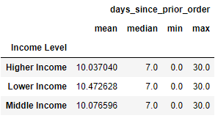

 |  | * Higher income families tend to shop most frequently while lower income families shop the least frequently

Distribution ofPet Owners by Department
 |  | Trends regarding Pet Owners = Pet owners typically have higher salaries

 |  | Pet owners typically shop more frequently than non-pet owners

 |  | Pet owners are a very small portion of a customer base & there might be potential to market to this demographic since there are not many current customers. |  |  | 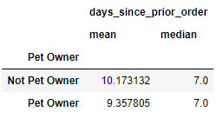

Total Spend by Parent Status
Distribution of Parent Status

 |  | Trends regarding Parent Status = Older-aged parents have the highest total spend & make up the largest percentage of all customers

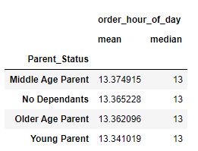

 |  | Middle Age parents have the lowest total spend & maek up the smallest percentage of all customers

